Command guide
ESC/VP21 Command
User’s Guide

Table of contents
1 | Introduction of ESC/VP21
2 | Communication Specification
3 | ESC/VP21 Command Formats
4 | Sending Commands
5 | Error Status
6 | Revision History

Copyright Notice:
All rights reserved. No part of this publication may be reproduced, stored in a retrieval system, or transmitted in any form or by any means, electronic, mechanical, photocopying, or otherwise, without the prior written permission of SEIKO EPSON CORPORATION. No patent liability is assumed with respect to the use of the information contained herein. Neither is any liability assumed for damages resulting from the use of the information contained herein.
Neither SEIKO EPSON CORPORATION nor its affiliates shall be liable to the purchase of this product or third parties for damages, losses, costs, or expenses incurred by purchaser or third parties as a result of: accident, misuse, or abuse of this product or unauthorized modifications, repairs, or alterations to this product, or (excluding the U.S.) failure to strictly comply with SEIKO EPSON CORPORATION(s operating and maintenance instructions.
SEIKO EPSON CORPORATION shall not be liable against any damages or problems arising from the use of any options or any consumable products other than those designated as Original EPSON Products or EPSON Approved Products by SEKO EPSON CORPORATION.

1. Introduction of ESC/VP21
ESC/VP21 is a control command and protocol for Epson projectors, which is used for A/V controller to control and monitor Epson projectors.
The command codes are comprised of ASCII codes. Therefore the command codes can be understood very easily and you can easily control projectors using a PC with a terminal emulator such as Microsoft Hyper terminal.
Since ESC/VP21 is independent of communication protocols. Serial, USB or TCP/IP network can be used to transmit the commands to projectors.

1.1. Serial connection
Control a projector by connecting to an external device such as an AV system controller via a serial communication (RS-232C).
Computer
or
Projector
System controller
RS-232C cable

1.2. USB connection
Control projector by connecting to an external device such as an AV system controller via USB.
Computer
or
Projector
System controller
USB cable

1.3. Network connection
Control projectors by connecting to a network-compatible AV system controller via a network.
After establishing a TCP session, ESC/VP21 commands can be sent to projectors. Refer to ESC/VP.net protocol manual.
Computer
or
Projector
System controller
Network

2. Communication specification
A projector and a computer can be connected using a serial or USB port. The projector can be remotely controlled by sending commands to the projector.

2.1. Serial connection
- Connector shape: D-Sub 9-pin (male)
- Projector input part name: RS-232C
- Cable type: Crossover (null modem) cable

In the following illustration, a projector side is shown on the left, and a computer side on the right.
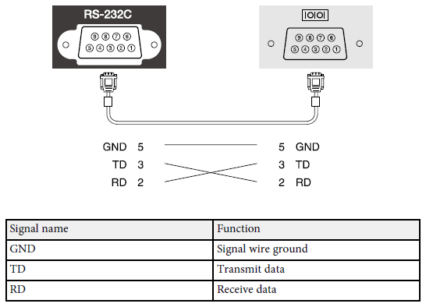

2.2. USB connection
Install the USB communication driver (EPSON USB-COM Driver) on a computer. For information about the EPSON USB-COM driver, contact Epson.

2.3. Communications protocol
Default baud rate setting |  |  | : 9600bps
Data length |  |  | : 8 bits
Parity |  |  | : None
Stop bit |  |  | : 1 bit
Flow control |  |  | : None

2.4. Communication software
Terminal software (please use a commercially available one)

3. ESC/VP21 Command Format

3.1. Set command format
A set command consists of a command and a parameter. Projector returns a colon after executing the command. There are two types of parameters. One is fixed such as ON, OFF, or 21. Other is a step parameter such as INC, DEC or INIT. INC: increments the parameter by one. DEC: decrements the parameter by one. INIT: initializes the parameter.

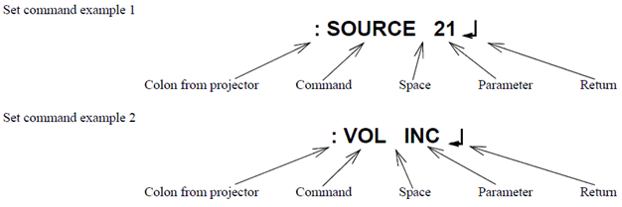

3.2. Get command format
A get command consists of a command and ?. Projector returns a response parameter after executing the command.
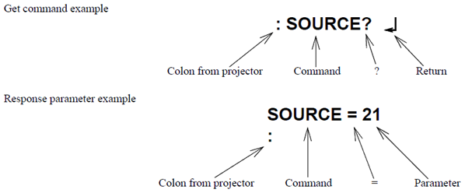

3.3. Null command
The null command is as command code of the return key code (Hex 0D). Projector returns a colon. The null command can be used to confirm that the projector is in operation.

3.4. Illegal commands
Projector returns “ERR” and a return key code (Hex 0D) and a colon when it receives invalid command.

ERR
：

4. Sending command

4.1. Projector system status
The commands that can be executed by the projector differ depending on the system status. Refer to the following table to send the executable command.
In the warning state (lamp life warning, high temperature warning, etc.), the command can be executed in the same way as in the normal state.
Not all commands are supported by the projector. See the command list on the target projector sheet.
System status |  |  | Executable command |  | Remarks
Standby |  |  | PWR ON
 |  |  | AMX
 |  |  | PWR?
 |  |  | LAMP?
 |  |  | SNO?
Standby Mode (Network ON) / Communication Standby (*1) AV Standby (*2) |  |  | PWR ON
 |  |  | PWR OFF |  | Colon reply only
 |  |  | AMX
 |  |  | LAMP?
 |  |  | ONTIME?
 |  |  | ERR? |  | Home model only
 |  |  | SNO?
 |  |  | VOL |  | AV Standby status only
 |  |  | VOL?
 |  |  | KEY 56/KEY 57 (Volume+/Volume-)
 |  |  | HDBASET?
 |  |  | SOURCELIST?
 |  |  | SOURCELISTA?
 |  |  | HREVERSE/ HREVERSE?
 |  |  | VREVERSE/ VREVERSE?
 |  |  | LUMINANCE/ LUMINANCE?
 |  |  | AVOUT/AVOUT?
 |  |  | SCFORMAT/ SCFORMAT?
 |  |  | STANDBYCONF/ STANDBYCONF?
 |  |  | MENUDISP/ MENUDISP?
 |  |  | ILLUM/ILLUM?
Warm-up (Initialization in progress) |  |  | LAMP?
 |  |  | HREVERSE?
 |  |  | VREVERSE?
 |  |  | SOURCE
 |  |  | SOURCE?
 |  |  | PWR ON |  | Colon reply only
 |  |  | SNO?
 |  |  | ERR? |  | Only when an error occurs in an Auto Iris (Home model)
 |  |  | PWR?
Warm-up (Lamp lighting process in progress) |  |  | LAMP?
 |  |  | HREVERSE?
 |  |  | VREVERSE?
 |  |  | SOURCE
 |  |  | SOURCE?
 |  |  | PWR ON
 |  |  | SNO?
 |  |  | ERR?
 |  |  | PWR?
 |  |  | AMX
Cool down |  |  | AMX
 |  |  | PWR?
 |  |  | LAMP?
 |  |  | PWR OFF |  | Colon reply only
 |  |  | ERR?
 |  |  | SNO?
Abnormal standby (* Home model indicates a system outage.) |  |  | PWR ON
 |  |  | PWR OFF |  | Colon reply only
 |  |  | AMX
 |  |  | PWR?
 |  |  | LAMP?
 |  |  | ONTIME?
 |  |  | SNO?
 |  |  | ERR?
 |  |  | VOL |  | Only when A/V Output is set to Always On
 |  |  | VOL?
 |  |  | KEY 56/KEY 57 (Volume+/Volume-)
 |  |  | HDBASET?
 |  |  | SOURCELIST?
 |  |  | SOURCELISTA?
Error status |  |  | AMX
 |  |  | PWR?
 |  |  | SNO?
 |  |  | ERR?

*1 Standby Mode (Network ON) / Communication Standby
With the projector setting menu "Standby Mode" set to "Communication On", can communicate with the projector via the network even in the standby state. Standby power is higher than "Standby Mode: Communication Off".
*2 AV Standby
With the projector setting menu "A/V Output" set to "Always On", video and audio signals can be output (including speaker output) even in the standby state. Compared to "Standby Mode: Communication On", the standby power is even higher. The setting method may differ depending on the product.

4.2. Command transmission timing
The first command can be sent anytime and the subsequent commands should be set after receiving a colon from the projector.

After receiving the "PWR ON" command, the next command cannot be responded to for a certain period of time due to the initialization process of the projector. Therefore , if you send the following command before receiving the colon from the projector, the projector may not respond.

"SOURCE" command when the input video sync signal is stable, a colon is returned within 5 seconds. However, it may take more than 5 seconds when the input video sync signal is unstable.

Projectors execute the "PWR OFF" command after they start completely.

If you want to send the following command without checking the colon from the projector, refer to the command execution time in the table below. The execution time is a reference value, so if the projector does not work as intended, increase the time until the next command is sent.

 | Command |  | Execution time
 | PWR ON |  | Please see the execution time of the target product sheet.
 | PWR OFF |  | Please see the execution time of the target product sheet.
 | SOURCE |  | 5 seconds
 | All others |  | 3 seconds

If the projector fails to turn on the light source after receiving the "PWR ON" command, the execution time may be longer.

5. Error Status

When the projector is in an error state, get the error state of the projector by sending the "ERR?" command.
The following table shows the acquisition code and the contents of the error state.
Not all return codes are supported by the product. Please see the return code of the target product sheet.
Command | Return code | Error content
ERR? | 00 | There is no error or the error is recovered
 | 01 | Fan error
 | 03 | Lamp failure at power on
 | 04 | High internal temperature error
 | 06 | Lamp error
 | 07 | Open Lamp cover door error
 | 08 | Cinema filter error
 | 09 | Electric dual-layered capacitor is disconnected
 | 0A | Auto iris error
 | 0B | Subsystem Error
 | 0C | Low air flow error
 | 0D | Air filter air flow sensor error
 | 0E | Power supply unit error (Ballast)
 | 0F | Shutter error
 | 10 | Cooling system error (Peltier element)
 | 11 | Cooling system error (Pump)
 | 12 | Static iris error
 | 13 | Power supply unit error (Disagreement of Ballast)
 | 14 | Exhaust shutter error
 | 15 | Obstacle detection error
 | 16 | IF board discernment error
 | 17 | Communication error of "Stack projection function"
 | 18 | I2C error
 | 1A | Lens shift error
 | 1B | Quarts N Polarizer error
 | 1C | No lens error
 | 1D | Subsystem error 2
 | 1E | Power supply voltage error
 | 1F | Other error

6. Revision History

Revision | Issued date |  | Page | Description
A |  |  | All page | New release as consolidated version of business/home

